Data Location in the DU UI
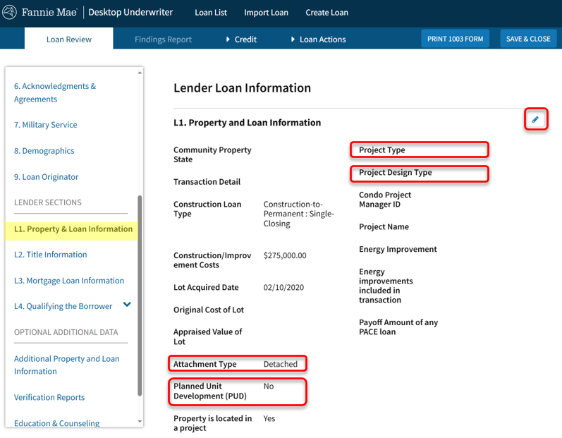
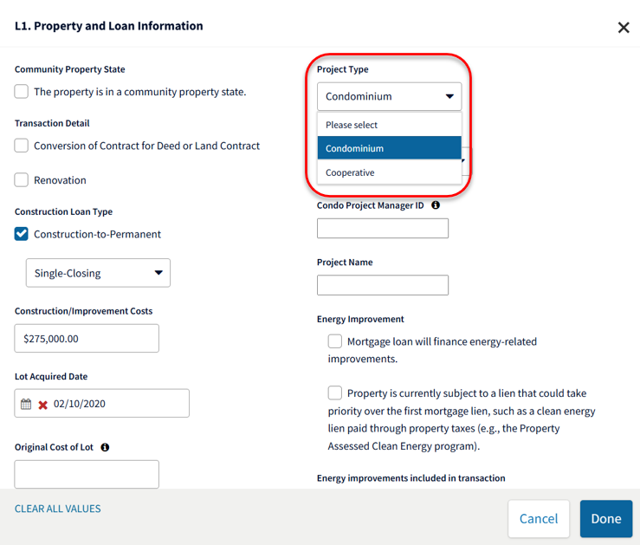
The Construction Method Type and Construction Type Other Description are in Section 4.
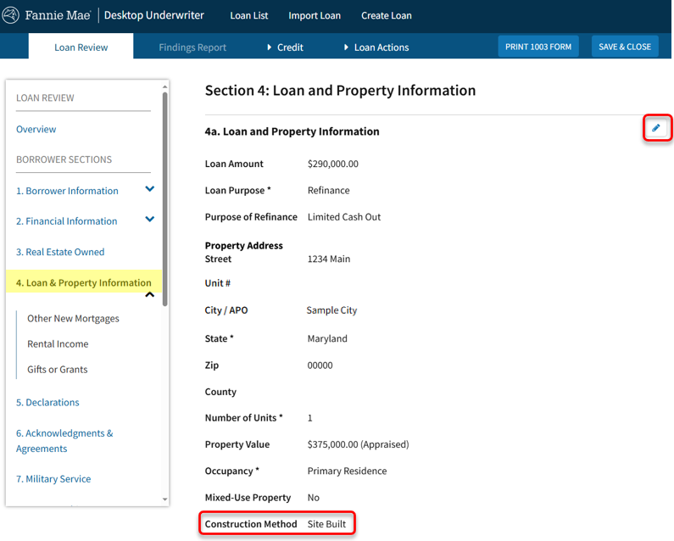
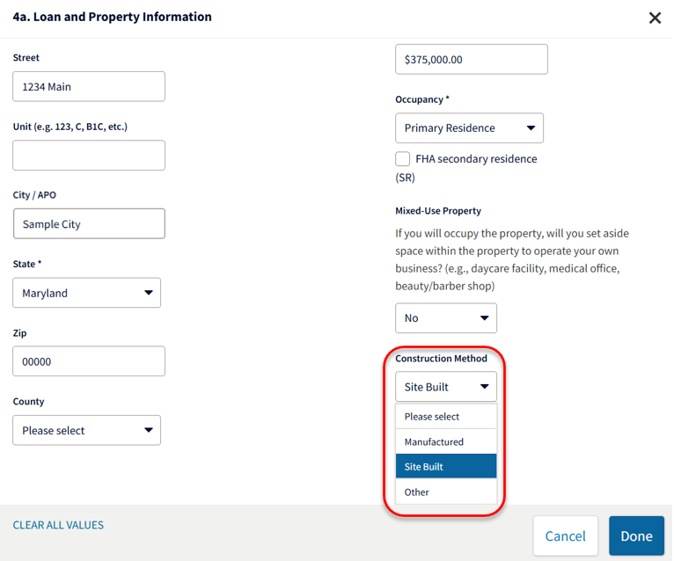

The Attachment Type, Project Legal Structure Type (Project Type), Project Design Type, and Planned Unit Development (PUD) Indicator are in Section L1.

